Sheet1
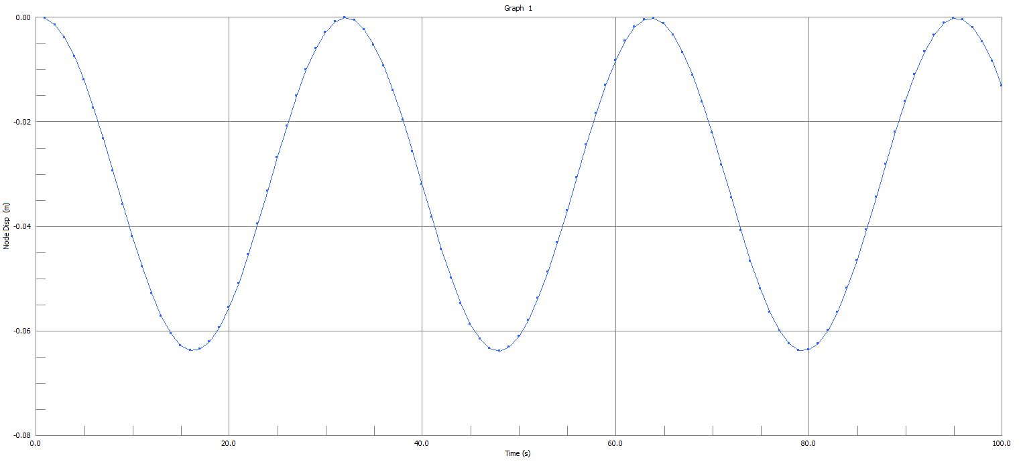
THE FIRST 4 EIGENVALUES HAVE CONVERGED

FINAL FREQUENCY RESULTS
Mode Eigenvalue Frequency (rad/s) Frequency (Hz)
1 3.98089172E-02 1.99521721E-01 3.17548682E-02
2 1.23849965E-01 3.51923237E-01 5.60103227E-02
3 8.89301847E+00 2.98211644E+00 4.74618573E-01
4 6.36942675E+01 7.98086884E+00 1.27019473E+00

Highest freq | 3.18E-02 | 5.60E-02
perio | 31.496062992 | 17.857142857
time steps | 10 | 11
time step | 3.1496062992 | 1.6233766234

